OPD
Change log | REQ Tag | Requirement group | REQ Sub groups | Test case steps/ Reqirement Text | Error Message Code (Shown at the top of the screen.) | QUESTIONS | Expected Result | Actual Result | Status
 |  |  |  | Purpose:
Screen Impacted
 |  |  |  | My Clinics
 |  |  |  | Patients

Database table Impacted

Test cases
 | OPD | On Page Load |  | 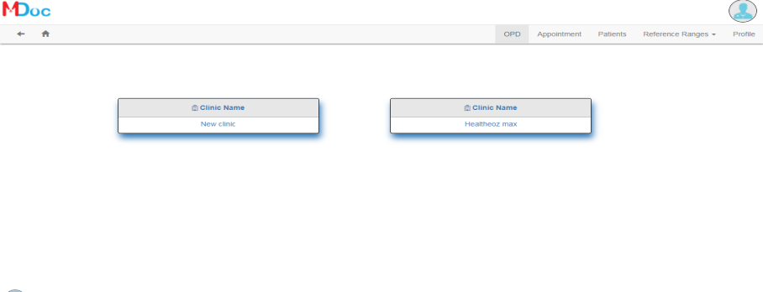
 |  |  |  | The screen will appear above
 |  |  |  | In this section: * One company logo will display as top left side screen. * Profile logo will display as top right side screen. * There are two menus section, will be display below of headers - Nevigation (back and Home) will displayed left side - Menu tabs will displayed right side in screen. * My clinic will be displayed of below of menus section.
 |  | My clinic |  | My clinic will display selected.
 |  |  |  | On click my clinic is nevigate to patient token grid.
 |  | Token Grid |  | In this section: >> There are five column and column name as Token No, Patient Name, Mobile No, Patient Present, Legal Issue
 |  |  |  | On click my clinic is nevigate to patient token grid.
 |  |  |  | Grid will appear only current date.
 |  |  |  | 
 |  |  |  | Grid is clickable and nevigate to consultation screen
 |  | Consultation Screen
 |  |  |  | In this section: 1- Patient/ Buddy/ Assessment tab 2- Symptom 3- System Diagnosis
 |  | Patient Tab
 |  | Buddy Tab
 |  | Assessment Tab

 |  | Symptom |  | In this section: >> There are four groups and groups name as * Basic and Biological Function * Disorders * Past/ Family and Personal History * MSE >> There is one submit button and Button name as 'Submit Answer' will below right side and button color is blue.
 |  |  |  | on click groups are nevigate to popup screen.
 |  | Basic and Biological Function Group |  | 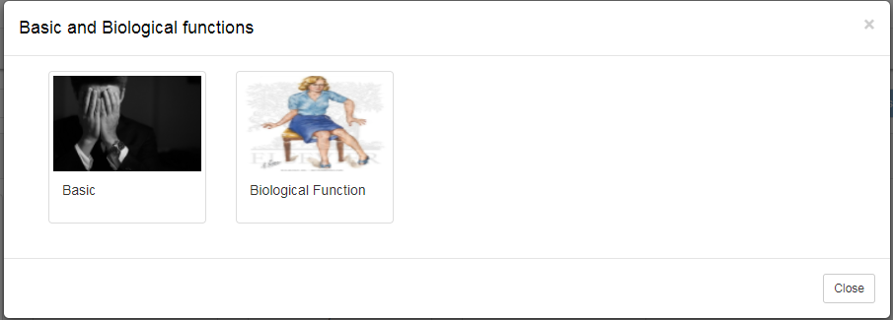
 |  |  |  | Nevigate to Basic and Biological function popup
 |  |  |  | popup is three category: >> Basic and Biological function will top left side >> Sub groups will display mid of popup or below of header section >> close button will appears bottom right side of popup.
 |  |  |  | Basic and Biological function popup is devided to two groups >> Basic >> Biological Function
 |  |  | Basic Group | Nevigate to Basic and Biological function popup
 |  |  |  | In this section: * Popup will appears multiple questions * There are two buttons name as Save and Reset.
 |  |  | Question | Basic question will appear when user click on Basic tab
 |  |  |  | user will select only one value
 |  |  |  | user will select under question of question.
 |  |  |  | user is not select or left questions
 |  |  | Save | Records are saved when user click on save button
 |  |  | Reset | Value is reset/blank when user click on reset button.
 |  |  | Biological Function Group | Nevigate to Basic and Biological function popup
 |  |  |  | In this section: * Popup will appears multiple questions * There are two buttons name as Save and Reset.
 |  |  | Question | Biological function question will appear when user click on Biological Function tab
 |  |  |  | user will select only one value
 |  |  |  | user will select under question of question.
 |  |  |  | user is not select or left questions
 |  |  | Save | Records are saved when user click on save button
 |  |  | Reset | Value is reset/blank when user click on reset button.
 |  | Close |  | on click close button than popup is close.
 |  | Disorders Group |  | 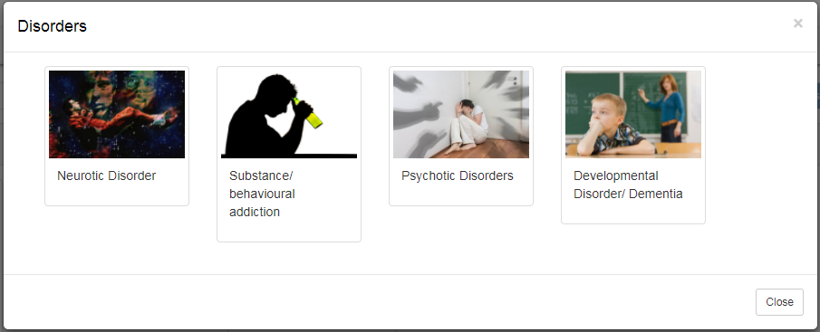
 |  |  |  | Nevigate to 'Disorders' popup
 |  |  |  | popup is three category: >> Disorders will top left side >> Sub groups will display mid of popup or below of header section >> close button will appears bottom right side of popup.
 |  |  |  | Disorders popup is devided into four sub group >> Neurotic Disorder >> Substance/ Behavioural addiction >> Psychotic Disorders >> Developmental disorder/ Dementia
 |  |  | Neurotic Disorder Group | Nevigate to 'Disorder' popup
 |  |  |  | In this section: * Popup will appears multiple questions * There are two buttons name as Save and Reset.
 |  |  | Question | Neurotic Disorder question will appear when user click on 'Neurotic Disorder ' tab
 |  |  |  | user will select only one value
 |  |  |  | user will select under question of question.
 |  |  |  | user is not select or left questions
 |  |  | Save | Records are saved when user click on save button
 |  |  | Reset | Value is reset/blank when user click on reset button.
 |  |  | Substance/ Behavioural addiction Group | Nevigate to 'Disorder' popup
 |  |  |  | In this section: * Popup will appears multiple questions * There are two buttons name as Save and Reset.
 |  |  | Question | Substance/ Behavioural addiction question will appear when user click on 'Substance/ Behavioural addiction ' tab
 |  |  |  | user will select only one value
 |  |  |  | user will select under question of question.
 |  |  |  | user is not select or left questions
 |  |  | Save | Records are saved when user click on save button
 |  |  | Reset | Value is reset/blank when user click on reset button.
 |  |  | Psychotic Disorders Group | Nevigate to 'Disorder' popup
 |  |  |  | In this section: * Popup will appears multiple questions * There are two buttons name as Save and Reset.
 |  |  | Question | Psychotic Disorders question will appear when user click on 'Psychotic Disorders' tab
 |  |  |  | user will select only one value
 |  |  |  | user will select under question of question.
 |  |  |  | user is not select or left questions
 |  |  | Save | Records are saved when user click on save button
 |  |  | Reset | Value is reset/blank when user click on reset button.
 |  |  | Developmental disorder/ Dementia Group | Nevigate to 'Disorder' popup
 |  |  |  | In this section: * Popup will appears multiple questions * There are two buttons name as Save and Reset.
 |  |  | Question | Developmental disorder/ Dementia question will appear when user click on 'Developmental disorder/ Dementia' tab
 |  |  |  | user will select only one value
 |  |  |  | user will select under question of question.
 |  |  |  | user is not select or left questions
 |  |  | Save | Records are saved when user click on save button
 |  |  | Reset | Value is reset/blank when user click on reset button.
 |  | Close |  | on click close button than popup is close.
 |  | Past/Family and Personal History Group |  | 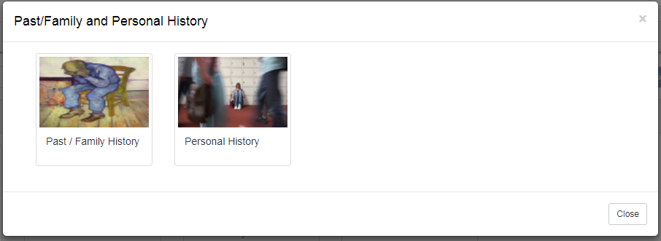
 |  |  |  | Nevigate to 'Past/Family and Personal History' popup
 |  |  |  | popup is three category: >> Past/Family and Personal History will top left side >> Sub groups will display mid of popup or below of header section >> close button will appears bottom right side of popup.
 |  |  |  | Past/Family and Personal History popup is devided into two sub group >> Past/Family History >> Personal History
 |  |  | Past/Family History Group | Nevigate to 'Past/Family and Personal History' popup
 |  |  |  | In this section: * Popup will appears multiple questions * There are two buttons name as Save and Reset.
 |  |  | Question | Past/Family History question will appear when user click on 'Past/Family History ' tab
 |  |  |  | user will select only one value
 |  |  |  | user will select under question of question.
 |  |  |  | user is not select or left questions
 |  |  | Save | Records are saved when user click on save button
 |  |  | Reset | Value is reset/blank when user click on reset button.
 |  |  | Personal History Group | Nevigate to 'Past/Family and Personal History' popup
 |  |  |  | In this section: * Popup will appears multiple questions * There are two buttons name as Save and Reset.
 |  |  | Question | Personal History question will appear when user click on 'Personal History' tab
 |  |  |  | user will select only one value
 |  |  |  | user will select under question of question.
 |  |  |  | user is not select or left questions
 |  |  | Save | Records are saved when user click on save button
 |  |  | Reset | Value is reset/blank when user click on reset button.
 |  | Close |  | on click close button than popup is close.
 |  | MSE Group |  | Nevigate to 'MSE' popup
 |  |  |  | In this section: * Popup will appears multiple questions * There are two buttons name as Save and Reset.
 |  |  | Question | MSE question will appear when user click on MSE tab
 |  |  |  | user will select only one value
 |  |  |  | user will select under question of question.
 |  |  |  | user is not select or left questions
 |  |  | Save | Records are saved when user click on save button
 |  |  | Reset | Value is reset/blank when user click on reset button.
 |  | Submit Answer |  | Records are saved when user click on Submit button

 |  | System Diagnosis |  | System Diagnosis is calculate reports on the basis of symptoms
 |  |  |  | System Diagnosis reports will appears top 3 percentage of symptoms
 |  |  |  | Below 40% not be display in Diagnosis reports
 |  |  |  | Equal or grater then 40% System Diagnosis will be displayed.
Common Test cases
 |  | On Page load |  | Check that If the user is not authenticated the url is redirected to Unauthorized page. User will be able to see only those screens which are assigned to him.
 |  | PreCondition |  | If there is no internet connectivity, show error message.
 |  | Supported Browsers |  | Supported Browsers will be: • IE 11,chrome in Windows environment • Chrome on Mac

